Cover
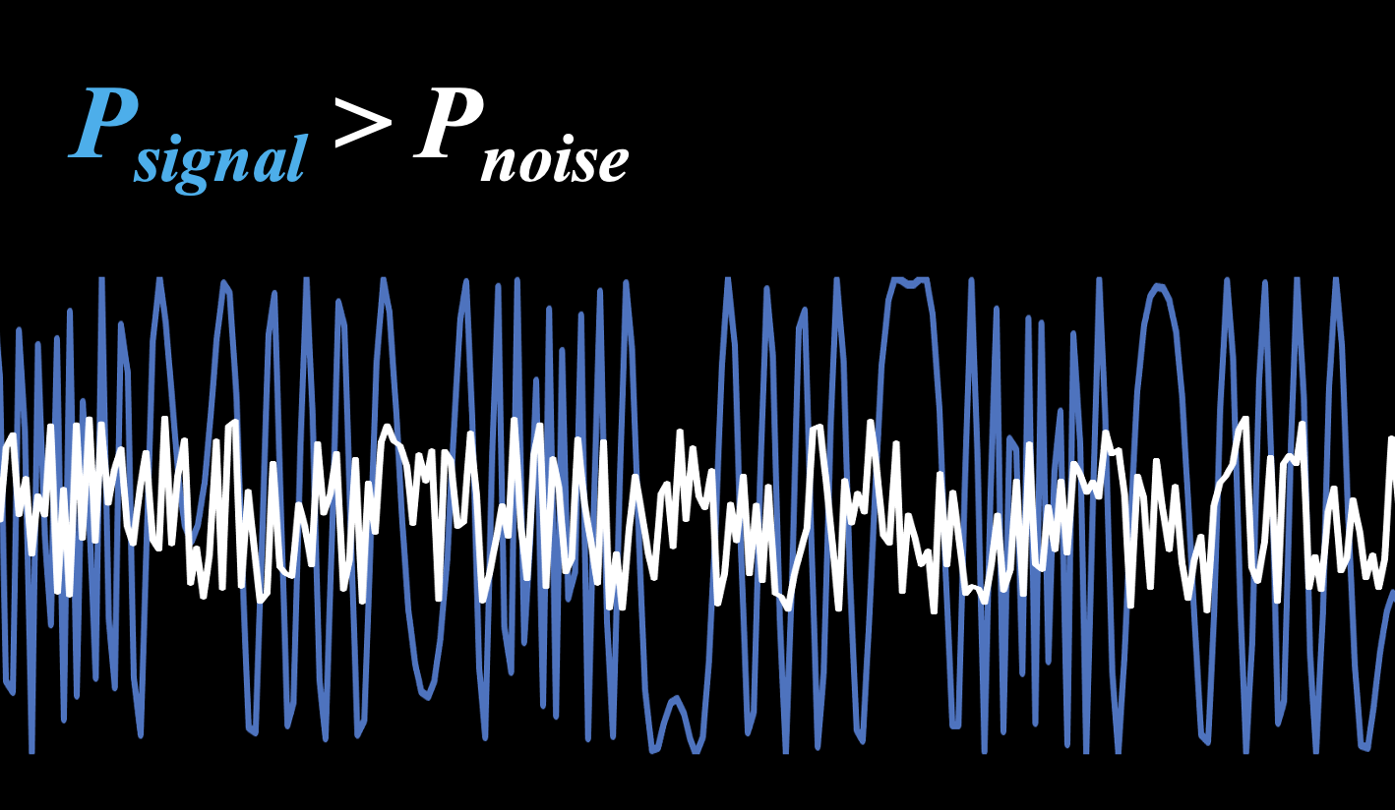
Cool experiments and tools for hobbyists and
future professionals



Tutorial on YouTube!

Cool Tool: | Noise

 |  | Noise Power Calculation
 |  | Noise, Sensitivity and Range in Free Space

Version 22.02.20223

Further distribution without changes is permitted

Noise Power
Noise Power

 | Noise / dBm
0.0001 | -110
0.001 | -100
0.01 | -90
0.1 | -80
1 | -70
10 | -60
100 | -50
1000 | -40
10000 | -30
100000 | -20
inputs |  |  | Example: WiFi

 | Absolute Temperature | T = | 300 | K | kB = | 1.3806505E-23 | Ws/K | Boltzmann
 | Frequency Bandwidth | delta f = | 160,000,000 | Hz
 | Impedance | R = | 50 | Ohm

outputs

 | Noise Power in Watts | PR = | 0 | W
 | Noise Power in dBm | pr = | -86 | dBm
 | Effective Noise Voltage | UR = | 11.5127081089 | uV

inputs |  |  | Example: GSM

 | Absolute Temperature | T = | 293 | K | kB = | 1.3806505E-23 | Ws/K | Boltzmann
 | Frequency Bandwidth | delta f = | 200,000 | Hz
 | Impedance | R = | 50 | Ohm

outputs

 | Noise Power in Watts | PR = | 0 | W
 | Noise Power in dBm | pr = | -115 | dBm
 | Effective Noise Voltage | UR = | 0.4022589199 | uV

inputs |  |  | Example: Radio Astronomy Cooled Receiver

 | Absolute Temperature | T = | 70 | K | kB = | 1.3806505E-23 | Ws/K | Boltzmann
 | Frequency Bandwidth | delta f = | 100 | Hz
 | Impedance | R = | 50 | Ohm

outputs

 | Noise Power in Watts | PR = | 0 | W
 | Noise Power in dBm | pr = | -154 | dBm
 | Effective Noise Voltage | UR = | 0.004396488 | uV

Free Space Range
 | Bandwidth & Sensitiviy & Range

inputs |  |  |  | outputs
 |  |  |  |  |  | Theoretical | Practical |  | Slow Faded Maximum | Faded Max | Max Range | Slow Faded Max Range | Total Faded Max Range
 | Noise Power | -100 | dBm/Hz |  | Bandwidth / kHz | Noise / dBm | Sensitivity / dBm | Loss / dB | Path Loss / dB | Path Loss / dB | LOS / km | Slow Faded / km | Total Faded / km
 | Transmit Antenna Gain | 0 | dBi |  | 0.0001 | -110 | -101 | 125 | 122 | 113 | 23.43 | 16.59 | 5.88
 | Receiver Antenna Gain | 0 | dBi |  | 0.001 | -100 | -91 | 115 | 112 | 103 | 7.41 | 5.24 | 1.86
 | Transmit Power | 24 | dBm |  | 0.01 | -90 | -81 | 105 | 102 | 93 | 2.34 | 1.66 | 0.59
 | Min Signal to Noise Ratio | 9 | dB |  | 0.1 | -80 | -71 | 95 | 92 | 83 | 0.74 | 0.52 | 0.19
 | Slow Fading Margin | 3 | dB |  | 1 | -70 | -61 | 85 | 82 | 73 | 0.23 | 0.17 | 0.06
 | Fast Fade Margin | 9 | dB |  | 10 | -60 | -51 | 75 | 72 | 63 | 0.07 | 0.05 | 0.02
 | Frequency | 1800 | MHz |  | 100 | -50 | -41 | 65 | 62 | 53 | 0.02 | 0.02 | 0.01
 |  |  |  |  | 1,000 | -40 | -31 | 55 | 52 | 43 | 0.01 | 0.01 | 0.00
 |  |  |  |  | 10,000 | -30 | -21 | 45 | 42 | 33 | 0.00 | 0.00 | 0.00
 |  |  |  |  | 100,000 | -20 | -11 | 35 | 32 | 23 | 0.00 | 0.00 | 0.00

